Aula
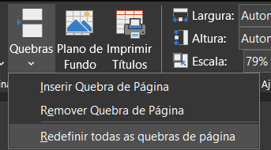
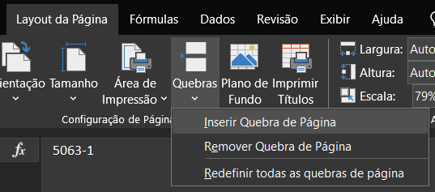
OBS ¹: Para inserir uma quebra de página no excel, clico na linha que terá a quebra em cima dela e seleciono:
 | OBS IMPORTANTE: A escala % se ajusta de acordo com a visualização que escolhermos, tanto com Quebras de páginas, quanto com as Margens. Dessa forma, é importante verificar sempre em quantos % está ficando a nossa planilha final.

OBS ²: Para quebra de página manual

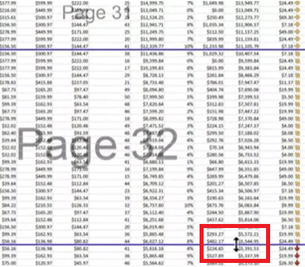

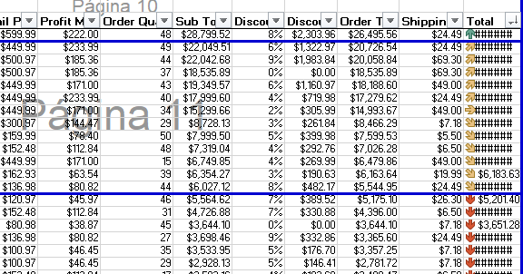

OBS ³: Finalmente, para remover as quebras.

